Webpage Map
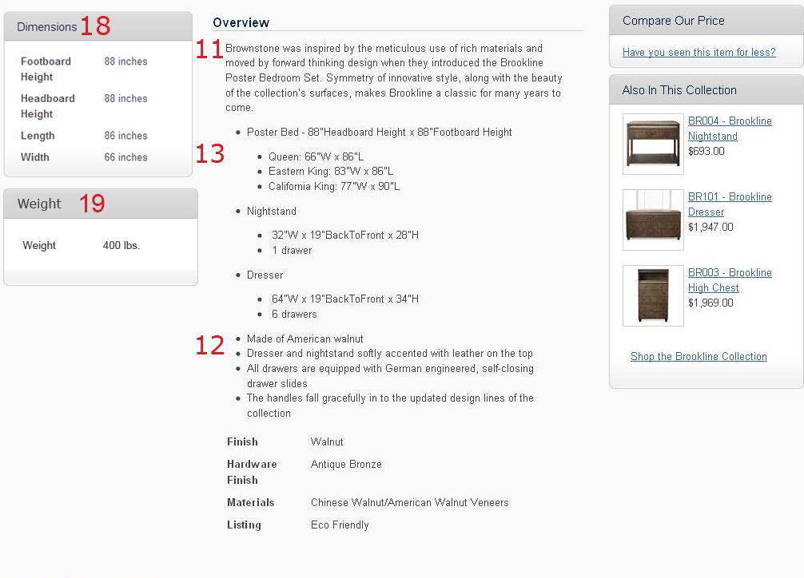
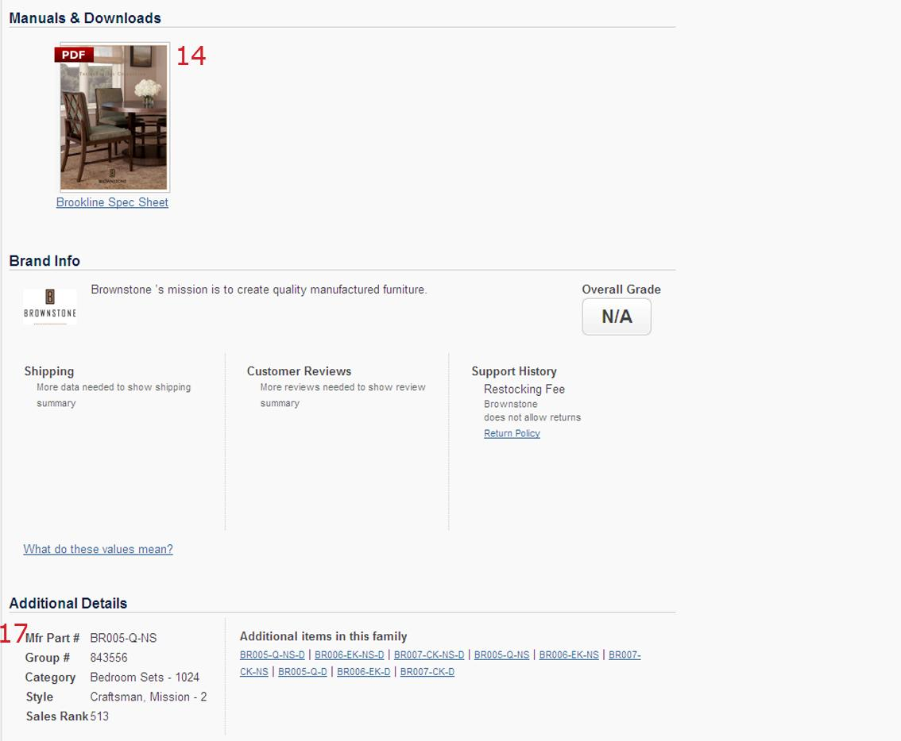
Below is a map of ATG's product presentation page.
Please Note the Following:
The numbered items (to the right) make up a majority of the customer interface for a product
ATG will insert the data provided directly from the this spreadsheet as provided by the Supplier
Please take care with information entry to ensure the best possible shopping experience for our customers.
ATG will not be held responsible for data that is inaccurately entered by the Supplier
All other columns which are not listed below are for, but not limited to, shipping estimate calculation, shipping availability, partner ship requirements and purchase order requirements.
If there are any questions in regards to the Item spreadsheet, please contact your ATG Supplier Analyst or Divisional Manager.

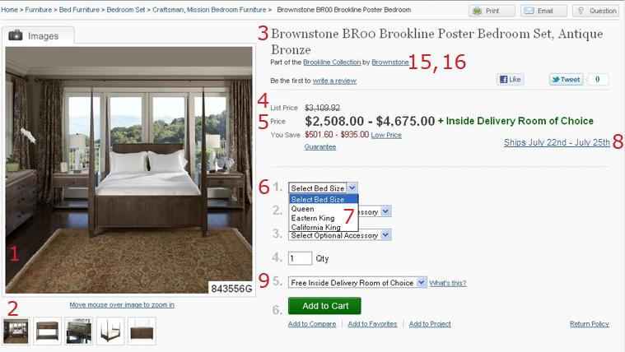
 | 1 | Image File Name 1 | This is the main image that the customer will receive. If browsing through a product category, such as beds, this is the item that will initially attract the customer.
 | 2 | Image File Name Additional | Additional images such as lifestyle/installation shots are highly recommended.
 | 3 | Manufacture Name + Product Name | This is the viewable and searchable name of a given product.
 | 4 | Full Retail Price (MSRP) | Full retail price (or MSRP). We can use this number to show savings to the customer.
 | 5 | MAP Price (Sale Price) | This is the ultimate price the consumer's will pay. If there is no MAP price policy for the particular product, this column should be left blank.
 | 6 | Option Category | The available options associated with the respective product. These are often "filters" that customers will use to find the type of product they are looking for. Please provide all options for a given product.
 | 7 | Option Values | These are the respective values or "answers" to the Option Category. For a Category of "Color" the value could be "Red".
 | 8 | Lead Time | The amount of time before the order is processed and shipped out. This is viewable to the customer.
 | 9 | Ship Type | Specifies whether a product should ship with a common carrier (UPS/FedEx) or with a freight carrier (HomeDirect, Manna, etc.)
 | 10 | Harmonized Code and Canada Code | (OPTIONAL) The harmonized / Canada code gives ATG the ability to ship product to Canada from the United States.
 | 11 | Description Paragraph | Descriptive or "Romance" copy used to help sell a product.
 | 12 | Description Features | The "Bullets" that will be listed in the description section
 | 13 | Description Specifications | (OPTIONAL)Any additional information or specs of the product.
 | 14 | PDF File Name | PDF files and filenames that are provided will be linked to the product to provide additional information and images to the customer as well as our sales staff.
 | 15 | Collection | Creates an "Collection" section on the product page. The link will take the customer to all products within a collection
 | 16 | Collection Ad Copy | If a customer clicks the Collection link, the Collection Ad Copy provides a description of ALL products in a collection. Genreally this is a basic style and craftsmanship that the products have in common.
 | 17 | Manuf Model Number / Supplier Model Number | This is a searchable number that customers and ssales staff can use to find products on our site. Also used for PO and Inventory processes
 | 18 | Product Height, Width and Depth | Provides the customer with exact dimensions of the assembled product. Important for the customer to know whether the furniture will fit in a given space.
 | 19 | Actual Product Weight | Provides the customer with exact weight of the assembled product.

